General Ledger template
[Company Name] |  |  |  |  | General Ledger
Address: 123 Street Avenue, Cityville, State, 12333
Report Date:
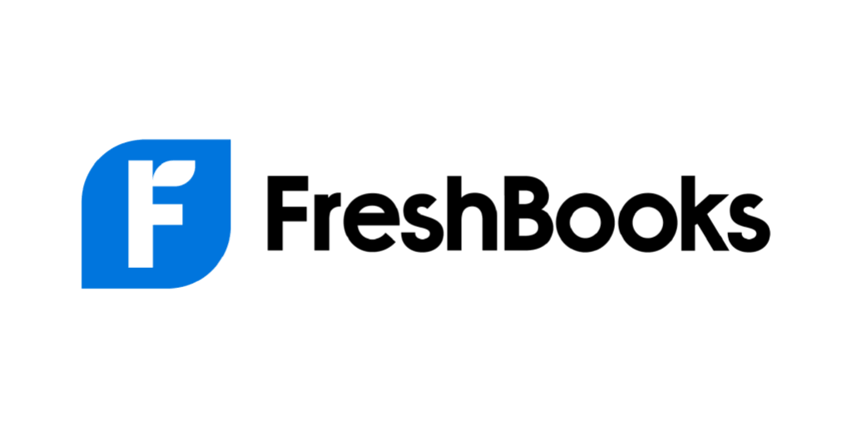
1 Jan, 2019 | - | 31 Dec, 2019

General Ledger Report
Date | Account Type |  | GL Account Name | GL Account # | Vendor/Client | Debit | Credit
(Recording Owner investment)
1-Feb-19 | Asset |  | Petty Cash | 1000-1 | - | $5,000.00
1-Feb-19 | Equity |  | Owner's Equity | 3000-1 | - |  | $5,000.00 | Word and Excel aren't efficient accounting solutions, and one-off invoicing can really eat up time. FreshBooks features automated invoicing and expense logging, online payment options, and a complete suite of other accounting and business tools. So, ready to see how easily Freshbooks saves you time to help you grow your business?
 |  |  |  |  |  | $5,000.00 | $5,000.00
(Sales made to Client A)
1-Apr-19 | Asset |  | Accounts Receivable | 1200-1 | Sunny Auto Services | $3,000.00
1-Apr-19 | Revenue |  | Sales | 4000-1 | Sunny Auto Services |  | $3,000.00
 |  |  |  |  |  | $3,000.00 | $3,000.00
(Payment Received from Client A)
1-May-19 | Asset |  | Petty Cash | 1000-1 | Sunny Auto Services | $3,000.00
1-May-19 | Asset |  | Accounts Receivable | 1200-1 | Sunny Auto Services |  | $3,000.00
 |  |  |  |  |  | $3,000.00 | $3,000.00
(Transaction)

 |  |  |  |  |  | $0.00 | $0.00 | Buy Now and Save
(Transaction)

 |  |  |  |  |  |  |  | Start a Free Trial
 |  |  |  |  |  | $0.00 | $0.00

